IEC62559-2
1 Description of the use case
 | 1.1 Name of use case
 | Use case identification
 | ID | UC12
 | Area/ Domain(s)/ Zone(s)
 | Name of use case | Flexibility enhancement through synergies with other networks
 | 1.2 Version management
 | Version No. | 1 | 2 | 3
 | Date | 2020-11-11
 | Name of author(s) | Atos
 | Changes | First Draft
 | Approval status
 | 1.3 Scope and objectives of use case
 | Scope | This use case will demonstrate the flexibility capabilities offered through the establishment of interconnections with local CHP plants for increasing local flexibility and optimising local coordination.
 | Objective(s) | To identify and utilize potential synergies between the electricity sector and other energy sectors in the pilot sites, namely the CHP plant in the Austrian Pilot.
 | Related business case(s)
 | 1.4 Narrative of use case
 | Short description
 | Complete description | The use case covers the following processes: • Identify potential synergies between the electricity sector and other energy sectors in the pilot sites (CHP plant) • Develop quantitative models of synergetic technologies associated with the heat sector (CHP plant) accounting for their base utility (space heating, water heating, etc.) • Identify potential services and value streams associated with synergetic technologies (e.g. energy trading, ancillary services, network support) • Integrate the local CHP in the MERLON energy management framework as an asset for the flexibility pooling and sharing marketplace • Obtain technical data of available synergetic technologies • Improve tools and algorithms developed in previous use cases to include the flexibility of synergetic technologies • Determine the set of measurements required for monitoring the performance of synergetic technologies (e.g. temperature, heat output, etc.) • Design dedicated trials • Quantify the economic value of synergetic technologies through relevant KPIs (e.g. reduction of energy costs, investment deferral, CO2 reduction etc) • Assess the potential impact on the operation and development of the local heat networks
 | 1.5 Key performance indicators (KPI)
 | ID | 12/1 | 12/2
 | Name | Availability of interfaces between CHP and grid. | Develop quantitative models of CHP technologies.
 | Description
 | Reference to mentioned use case objectives
 | 1.6 Use case conditions
 | Assumptions
 | Prerequisites | Technical interoperability and communication enabled between DSO/electrical network and biogas CHP | Energy management framework enabling the incorporation of the CHP facility | CHP unit suited for communication with MERLON framework; regulatory framework allowing balancing services
 | 1.7 Further information to the use case for classification/mapping
 | Relation to other use cases | UC1, UC2, UC4, UC5, UC6, UC7, UC8, UC9, UC10, UC11
 | Level of depth | Low
 | Prioritisation | Medium
 | Generic, regional or national relation | National
 | Nature of the use case | DSO
 | Further keywords for classification | CHP, flexibility, heating, synergies
 | 1.8 General remarks
 | General remarks | The following practical points should be noted: • Currently the biogas produced in the biogas plant Strem is combusted in a CHP with the capacity of 500 kW. The electricity is fed into the local grid and is remunerated by a funded feed-in-tariff. The heat produced in the CHP is fed into the district heating network. This network is also operated by the operator of the biogas plant. • The funded feed-in-tariff of the biogas plant is only guaranteed until the end of 2020. After that, the sole production of electricity won’t be an economic business case for the operator any more, due to the low market price • A participation of the biogas plant in the balancing energy market will only be possible after 2020, namely after the funded feed-in-tariff-period. The contract with the settlement centre for the remuneration of green electricity excludes a participation in the balancing energy market. • Most likely the plant operator will implement during 2020 a gas upgrading facility and feed biomethane into the gas grid. Very probably the CHP unit (500 kW) will stay in operation (for the combustion of off-gas for example) parallel to that – the participation in the balancing energy market may serve as a second business case optimising the overall economic performance of the plant. • The plant operator is highly interested in participating in this use case to test out the possibilities for the participation in balancing electricity markets.
2 Diagrams of use case
 | Diagram(s) of use case | 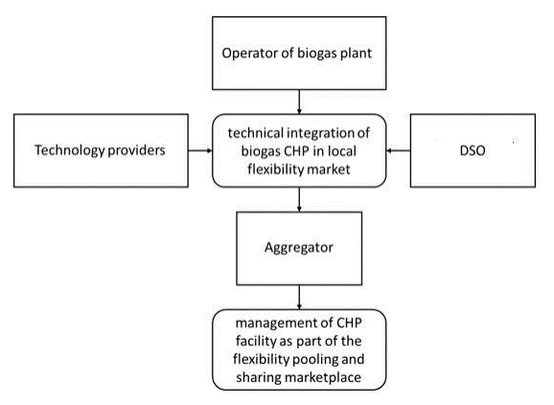
3 Technical details
 | 3.1 Actors
 | Grouping
 | Group description
 | Actor name | DSO | Aggregator | CHP operator | Technology providers
 | Actor type | DSO | Aggregator | CHP operator | Technology providers
 | Actor description | Local DSO responsible for the secure and economic operation of the distribution network | Aggregator of flexible DER | Operates a biogas plant in Strem and runs a CHP | Several MERLON partners act as technology and know-howproviders for the implementation of this UC
 | Further information specific to this use case
 | 3.2 References
 | No.
 | References type
 | Reference
 | Status
 | Impact on use case
 | Originator/organisation
 | Link
4 Step by step analysis of use case
 | 4.1 Overview of scenarios
 | Scenario conditions
 | No. | S01 | S02
 | Scenario name | Balancing energy (technical) | Balancing energy (economic)
 | Scenario description
 | Primary actor | DSO | CHP operator
 | Triggering event | Voltage issues in the grid | Local demand for flexibilities
 | Pre-condition | Technical and communicational connection between DSO and biogas CHP | Integration of biogas CHP in MERLON framework
 | Postcondition | Balancing services provided through biogas CHP | Energy traded in local flexibility market
 | 4.2 Steps – Scenarios
 | Scenario name: | S01- “Balancing energy (technical) | S01- “Balancing energy (technical) | S01- “Balancing energy (technical) | S02- “Balancing energy (economic)” | S02- “Balancing energy (economic)” | S02- “Balancing energy (economic)”
 | Step No. | St01 | St02 | St03 | St01 | St02 | St03
 | Event | Integration | Technical incident | Service provision | Integration | Economic incident | Service provision
 | Name of process/activity | Integration of biogas CHP | Impending voltage violation | Provision of balancing services | Integration of biogas CHP | Local Flexibility demand | Provision of balancing services
 | Description of process/activity | The biogas CHP is integrated in the MERLON framework | Voltage issues in the grid make it necessary to intervene | The biogas CHP reacts according to the requirements of the grid/DSO | The biogas CHP is integrated in the MERLON framework | Flexibility demand arises in the local energy system which can be covered by biogas CHP | The biogas CHP reacts to provide flexibility services in the local energy system
 | Service
 | Information producer (actor) | CHP operator | DSO | CHP operator | CHP operator | DSO | CHP operator
 | Information receiver (actor) | DSO | CHP operator | DSO | DSO | CHP operator | DSO
 | Information exchanged (IDs) | Grid data, energy data, tariff data | Grid data, energy data, tariff data | Grid data, energy data, tariff data | Grid data, energy data, tariff data | Grid data, energy data, tariff data | Grid data, energy data, tariff data
5 Information exchanged
 | Requirement, R-Ids
 | Information exchanged, ID | Flexibility request | Available Flexibility | Flexibility price
 | Name of information | kW/h | kW/h | €/kW/h
 | Description of information exchanged | Amount of needed flexibility by DSO | Amount of flexibility offered by CHP | Price to be paid for provision of requested flexibility
6 Requirements (optional)
 | Requirement, R-IDs
 | Categories ID
 | Category name for requirements
 | Category description
 | Requirement R-ID
 | Requirement name
7 Common terms and definitions
 | Requirement description
 | Common terms and definitions
8 Custom information (optional)
 | Term Definition
 | Custom information (optional)
 | Key Value Refers to section

